Instructions
Champions Tour 2024: EMEA Kickoff Statistics

 |  |  |  | @goddwana

 |  | Instructions
 |  | You can examine the data in the columns from largest to smallest,
 |  |  |  | I formatted it so that green is the highest and red is the lowest(expect for death)
 |  | You can see the note above the data for an explanation of the KPIs used,

 |  | I will update it at the end of each match day, ENJOY!

 |  |  | datas from rib,gg ,valolytics,gg and scoutli,co




 | ▼ ▼ ▼ ▼ ▼ ▼ ▼ ▼ ▼ ▼ ▼ ▼ ▼ ▼ ▼ ▼ ▼ ▼ ▼ ▼ ▼ ▼ ▼ ▼ ▼ ▼ ▼ ▼ ▼ ▼ ▼ ▼ ▼ ▼ ▼ ▼ ▼ ▼ ▼ ▼ ▼ ▼ |  |  | ▼ ▼ ▼ ▼ ▼ ▼ ▼ ▼ ▼ ▼ ▼ ▼ ▼ ▼ ▼ ▼ ▼ ▼ ▼ ▼ ▼ ▼ ▼ ▼ ▼ ▼ ▼ ▼ ▼ ▼ ▼ ▼ ▼ ▼ ▼ ▼ ▼ ▼ ▼ ▼ ▼ ▼

Team Comparison
Team | ACS | Team | RvsR% | Team | ADR
1-)Natus Vincere | 222 | 1-) Team Vitality | 0.5474 | TL | 150.75
2-)Team Liquid | 206 | 2-)Team Liquid | 0.5374 | NAVI | 150.22
3-)FUT Esports | 205 | 3-) GIANTX | 0.5019 | TH | 138.01
4-)Karmine Corp | 204 | 4-)Natus Vincere | 0.5005 | VIT | 136.62
5-)Team Heretics | 204 | 5-) BBL Esports | 0.494 | FUT | 136.03
6-)Team Vitality | 202 | 6-) Karmine Corp | 0.4886 | KC | 134.64
7-)KOI | 193 | 7-)Team Heretics | 0.488 | KOI | 125.53
8-)BBL Esports | 190 | 8-) FUT Esports | 0.4817 | BBL | 123.6
9-)GIANTX | 189 | 9-) Gentle Mates | 0.4453 | GX | 122.86
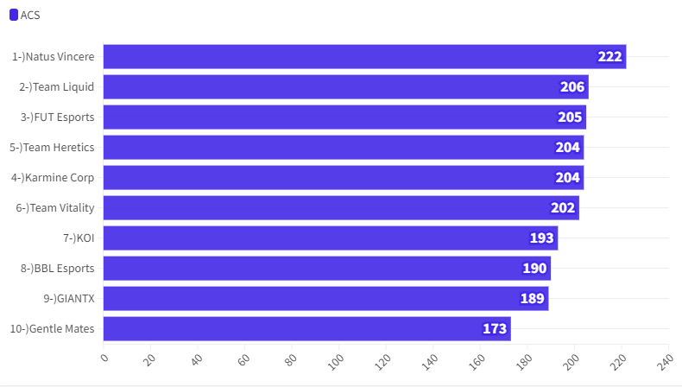
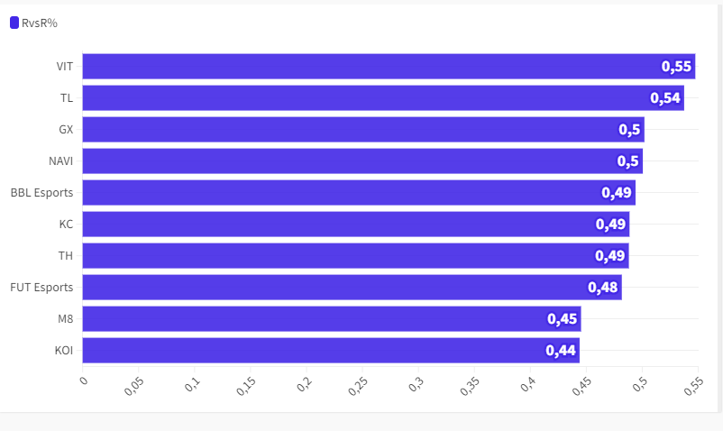
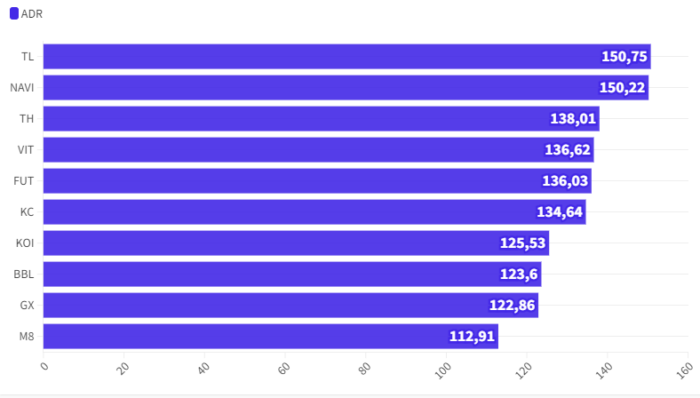
10-)Gentle Mates | 173 | 10-) KOI | 0.444 | M8 | 112.91

FUT Esports
 | TH | FUT |  | Team Win Conditions |  |  |  |  |  |  |  |  | XvY Performance
Ban | Ascent |  |  | Team | Map Id | Map | Condition | Attacking Wins | Attacking Losses | Defending Wins | Defending Losses |  | Team | Situation | Delta | Win % | Wins | Losses
Ban |  | Breeze |  | FUT Esports | 3 | Bind | bomb | 1 | 0 | 0 | 0 |  | FUT Esports | 5v1 | +4 | 100 | 4 | 0
Pick | Lotus |  |  | FUT Esports | 3 | Bind | defuse | 0 | 6 | 2 | 0 |  | FUT Esports | 5v2 | +3 | 100 | 3 | 0
Pick |  | Bind |  | FUT Esports | 3 | Bind | kills (post-plant) | 4 | 0 | 0 | 6 |  | FUT Esports | 4v1 | +3 | 100 | 4 | 0
Ban | Split |  |  | FUT Esports | 3 | Bind | kills (pre-plant) | 0 | 0 | 2 | 1 |  | FUT Esports | 5v3 | +2 | 100 | 5 | 0
Ban |  | Sunset |  | FUT Esports | 3 | Bind | time | 0 | 0 | 1 | 0 |  | FUT Esports | 4v2 | +2 | 100 | 2 | 0
Decider | Icebox |  |  | FUT Esports | 11 | Lotus | bomb | 0 | 0 | 0 | 2 |  | FUT Esports | 3v1 | +2 | 100 | 1 | 0
 |  |  |  | FUT Esports | 11 | Lotus | defuse | 0 | 3 | 4 | 0 |  | FUT Esports | 5v4 | +1 | 75 | 9 | 3
 |  |  |  | FUT Esports | 11 | Lotus | kills (post-plant) | 6 | 0 | 0 | 6 |  | FUT Esports | 4v3 | +1 | 42.85 | 3 | 4
 |  |  |  | FUT Esports | 11 | Lotus | kills (pre-plant) | 1 | 2 | 0 | 0 |  | FUT Esports | 3v2 | +1 | 75 | 3 | 1
 |  |  |  |  |  |  |  |  |  |  |  |  | FUT Esports | 2v1 | +1 | 100 | 4 | 0
 |  |  |  |  |  |  |  |  |  |  |  |  | FUT Esports | 4v4 | 0 | 66.66 | 6 | 3
 |  |  |  |  |  |  |  |  |  |  |  |  | FUT Esports | 3v3 | 0 | 25 | 2 | 6
 |  |  |  |  |  |  |  |  |  |  |  |  | FUT Esports | 2v2 | 0 | 18.18 | 2 | 9
 |  |  |  |  |  |  |  |  |  |  |  |  | FUT Esports | 1v1 | 0 | 40 | 2 | 3
 |  |  |  |  |  |  |  |  |  |  |  |  | FUT Esports | 4v5 | -1 | 18.18 | 2 | 9
 |  |  |  |  |  |  |  |  |  |  |  |  | FUT Esports | 3v4 | -1 | 28.57 | 2 | 5
Team Round Performance |  |  |  |  |  | Team Pistol Round Performance |  |  |  |  |  |  | FUT Esports | 2v3 | -1 | 20 | 2 | 8
Team | Map | Wins | Losses | Win Percentage |  | Team | Map | Wins | Losses | Win Percentage |  |  | FUT Esports | 1v2 | -1 | 0 | 0 | 7
FUT Esports | Bind | 10 | 13 | 43% |  | FUT Esports | Bind | 0 | 2 | 0% |  |  | FUT Esports | 3v5 | -2 | 0 | 0 | 6
FUT Esports | Lotus | 11 | 13 | 46% |  | FUT Esports | Lotus | 2 | 0 | 100% |  |  | FUT Esports | 2v4 | -2 | 16.66 | 1 | 5
 |  |  |  |  |  |  |  |  |  |  |  |  | FUT Esports | 1v3 | -2 | 0 | 0 | 3
Team ATK Side Round Performance |  |  |  |  |  | Team ATK Side Pistol Round Performance |  |  |  |  |  |  | FUT Esports | 2v5 | -3 | 0 | 0 | 1
Team | Map | Wins | Losses | Win Percentage |  | Team | Map | Wins | Losses | Win Percentage |  |  | FUT Esports | 1v4 | -3 | 0 | 0 | 1
FUT Esports | Bind | 5 | 6 | 45% |  | FUT Esports | Bind | 0 | 1 | 0% |  |  | FUT Esports | 1v5 | -4 | 0 | 0 | 3
FUT Esports | Lotus | 7 | 5 | 58% |  | FUT Esports | Lotus | 1 | 0 | 100%

Team DEF Side Round Performance |  |  |  |  |  | Team DEF Side Pistol Round Performance
Team | Map | Wins | Losses | Win Percentage |  | Team | Map | Wins | Losses | Win Percentage
FUT Esports | Bind | 5 | 7 | 42% |  | FUT Esports | Bind | 0 | 1 | 0%
FUT Esports | Lotus | 4 | 8 | 33% |  | FUT Esports | Lotus | 1 | 0 | 100%

Team Post Plant Performance |  |  |  |  |  |  | *** |  |  |  |  |  | ***
Team | Map | Site | Plants | Percentage Of Total Plants | Post Plant Attacking Wins | Post Plant Attacking Losses | Post Plant Win Percentage | Post Plant Loss Percentage | Opponent Plants | Percentage Of Total Opponent Plants | Post Plant Defending Wins | Post Plant Defending Losses | Post Plant Retake Success Percentage | Post Plant Retake Failure Percentage
FUT Esports | Bind | A | 9 | 82 | 5 | 4 | 56 | 44 | 7 | 88 | 1 | 6 | 14 | 86
FUT Esports | Bind | B | 2 | 18 | 0 | 2 | 0 | 100 | 1 | 13 | 1 | 0 | 100 | 0
FUT Esports | Lotus | A | 4 | 40 | 3 | 1 | 75 | 25 | 5 | 42 | 0 | 5 | 0 | 100
FUT Esports | Lotus | B | 2 | 20 | 0 | 2 | 0 | 100 | 1 | 8 | 0 | 1 | 0 | 100
FUT Esports | Lotus | C | 4 | 40 | 4 | 0 | 100 | 0 | 6 | 50 | 4 | 2 | 67 | 33

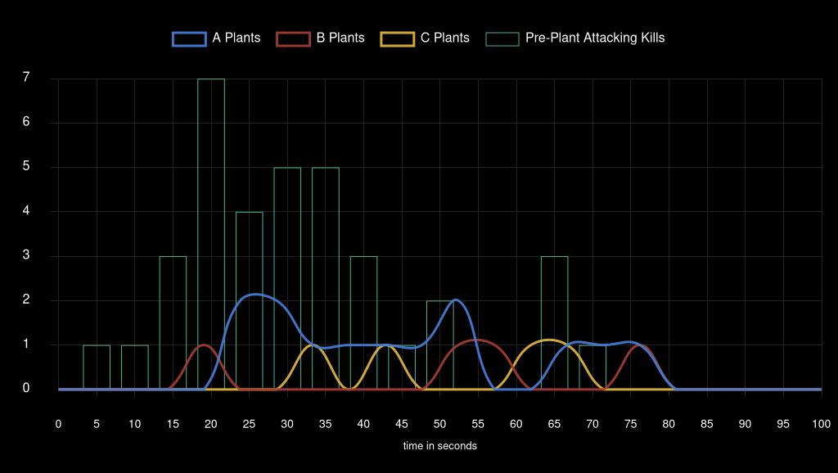
Team Attack Speed

Team Heretics
 | TH | FUT |  | Team Win Conditions |  |  |  |  |  |  |  |  | XvY Performance
Ban | Ascent |  |  | Team | Map Id | Map | Condition | Attacking Wins | Attacking Losses | Defending Wins | Defending Losses |  | Team | Situation | Delta | Win % | Wins | Losses
Ban |  | Breeze |  | Team Heretics | 3 | Bind | bomb | 0 | 0 | 0 | 1 |  | Team Heretics | 5v1 | +4 | 100 | 3 | 0
Pick | Lotus |  |  | Team Heretics | 3 | Bind | defuse | 0 | 2 | 6 | 0 |  | Team Heretics | 5v2 | +3 | 100 | 1 | 0
Pick |  | Bind |  | Team Heretics | 3 | Bind | kills (post-plant) | 6 | 0 | 0 | 4 |  | Team Heretics | 4v1 | +3 | 100 | 1 | 0
Ban | Split |  |  | Team Heretics | 3 | Bind | kills (pre-plant) | 1 | 2 | 0 | 0 |  | Team Heretics | 5v3 | +2 | 100 | 6 | 0
Ban |  | Sunset |  | Team Heretics | 3 | Bind | time | 0 | 1 | 0 | 0 |  | Team Heretics | 4v2 | +2 | 83.33 | 5 | 1
Decider | Icebox |  |  | Team Heretics | 11 | Lotus | bomb | 2 | 0 | 0 | 0 |  | Team Heretics | 3v1 | +2 | 100 | 3 | 0
 |  |  |  | Team Heretics | 11 | Lotus | defuse | 0 | 4 | 3 | 0 |  | Team Heretics | 5v4 | +1 | 81.81 | 9 | 2
 |  |  |  | Team Heretics | 11 | Lotus | kills (post-plant) | 6 | 0 | 0 | 6 |  | Team Heretics | 4v3 | +1 | 71.42 | 5 | 2
 |  |  |  | Team Heretics | 11 | Lotus | kills (pre-plant) | 0 | 0 | 2 | 1 |  | Team Heretics | 3v2 | +1 | 80 | 8 | 2
 |  |  |  |  |  |  |  |  |  |  |  |  | Team Heretics | 2v1 | +1 | 100 | 7 | 0
 |  |  |  |  |  |  |  |  |  |  |  |  | Team Heretics | 4v4 | 0 | 33.33 | 3 | 6
 |  |  |  |  |  |  |  |  |  |  |  |  | Team Heretics | 3v3 | 0 | 75 | 6 | 2
 |  |  |  |  |  |  |  |  |  |  |  |  | Team Heretics | 2v2 | 0 | 81.81 | 9 | 2
 |  |  |  |  |  |  |  |  |  |  |  |  | Team Heretics | 1v1 | 0 | 60 | 3 | 2
 |  |  |  |  |  |  |  |  |  |  |  |  | Team Heretics | 4v5 | -1 | 25 | 3 | 9
 |  |  |  |  |  |  |  |  |  |  |  |  | Team Heretics | 3v4 | -1 | 57.14 | 4 | 3
Team Round Performance |  |  |  |  |  | Team Pistol Round Performance |  |  |  |  |  |  | Team Heretics | 2v3 | -1 | 25 | 1 | 3
Team | Map | Wins | Losses | Win Percentage |  | Team | Map | Wins | Losses | Win Percentage |  |  | Team Heretics | 1v2 | -1 | 0 | 0 | 4
Team Heretics | Bind | 13 | 10 | 57% |  | Team Heretics | Bind | 2 | 0 | 100% |  |  | Team Heretics | 3v5 | -2 | 0 | 0 | 5
Team Heretics | Lotus | 13 | 11 | 54% |  | Team Heretics | Lotus | 0 | 2 | 0% |  |  | Team Heretics | 2v4 | -2 | 0 | 0 | 2
 |  |  |  |  |  |  |  |  |  |  |  |  | Team Heretics | 1v3 | -2 | 0 | 0 | 1
Team ATK Side Round Performance |  |  |  |  |  | Team ATK Side Pistol Round Performance |  |  |  |  |  |  | Team Heretics | 2v5 | -3 | 0 | 0 | 3
Team | Map | Wins | Losses | Win Percentage |  | Team | Map | Wins | Losses | Win Percentage |  |  | Team Heretics | 1v4 | -3 | 0 | 0 | 4
Team Heretics | Bind | 7 | 5 | 58% |  | Team Heretics | Bind | 1 | 0 | 100% |  |  | Team Heretics | 1v5 | -4 | 0 | 0 | 4
Team Heretics | Lotus | 8 | 4 | 67% |  | Team Heretics | Lotus | 0 | 1 | 0%

Team DEF Side Round Performance |  |  |  |  |  | Team DEF Side Pistol Round Performance
Team | Map | Wins | Losses | Win Percentage |  | Team | Map | Wins | Losses | Win Percentage
Team Heretics | Bind | 6 | 5 | 55% |  | Team Heretics | Bind | 1 | 0 | 100%
Team Heretics | Lotus | 5 | 7 | 42% |  | Team Heretics | Lotus | 0 | 1 | 0%

Team Post Plant Performance |  |  |  |  |  |  | *** |  |  |  |  |  | ***
Team | Map | Site | Plants | Percentage Of Total Plants | Post Plant Attacking Wins | Post Plant Attacking Losses | Post Plant Win Percentage | Post Plant Loss Percentage | Opponent Plants | Percentage Of Total Opponent Plants | Post Plant Defending Wins | Post Plant Defending Losses | Post Plant Retake Success Percentage | Post Plant Retake Failure Percentage
Team Heretics | Bind | A | 7 | 88 | 6 | 1 | 86 | 14 | 9 | 82 | 4 | 5 | 44 | 56
Team Heretics | Bind | B | 1 | 13 | 0 | 1 | 0 | 100 | 2 | 18 | 2 | 0 | 100 | 0
Team Heretics | Lotus | A | 5 | 42 | 5 | 0 | 100 | 0 | 4 | 40 | 1 | 3 | 25 | 75
Team Heretics | Lotus | B | 1 | 8 | 1 | 0 | 100 | 0 | 2 | 20 | 2 | 0 | 100 | 0
Team Heretics | Lotus | C | 6 | 50 | 2 | 4 | 33 | 67 | 4 | 40 | 0 | 4 | 0 | 100

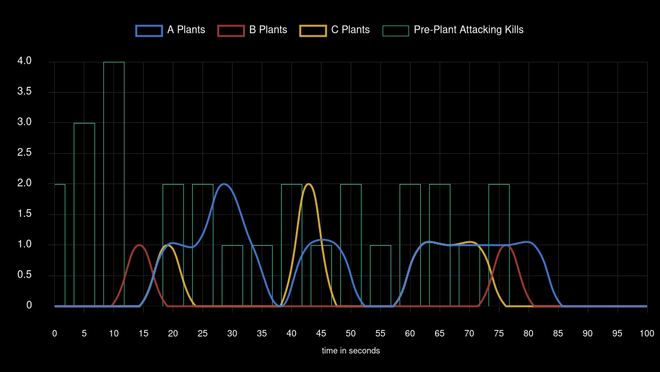
Team Attack Speed

GIANTX
 | GIANTX | KC |  | Team Win Conditions |  |  |  |  |  |  |  |  | XvY Performance
Ban |  | Ascent |  | Team | Map Id | Map | Condition | Attacking Wins | Attacking Losses | Defending Wins | Defending Losses |  | Team | Situation | Delta | Win % | Wins | Losses
Ban | Bind |  |  | GIANTX | 11 | Lotus | bomb | 0 | 0 | 0 | 1 |  | GIANTX | 5v1 | +4 | 100 | 3 | 0
Pick |  | Split |  | GIANTX | 11 | Lotus | defuse | 0 | 5 | 0 | 0 |  | GIANTX | 5v2 | +3 | 100 | 3 | 0
Pick | Sunset |  |  | GIANTX | 11 | Lotus | kills (post-plant) | 2 | 0 | 0 | 2 |  | GIANTX | 4v1 | +3 | 100 | 4 | 0
Ban |  | Breeze |  | GIANTX | 11 | Lotus | kills (pre-plant) | 1 | 4 | 1 | 1 |  | GIANTX | 5v3 | +2 | 100 | 1 | 0
Ban | Icebox |  |  | GIANTX | 2 | Split | bomb | 0 | 0 | 0 | 2 |  | GIANTX | 4v2 | +2 | 100 | 3 | 0
Decider | Lotus |  |  | GIANTX | 2 | Split | defuse | 0 | 4 | 3 | 0 |  | GIANTX | 3v1 | +2 | 87.5 | 7 | 1
 |  |  |  | GIANTX | 2 | Split | kills (post-plant) | 3 | 0 | 0 | 3 |  | GIANTX | 5v4 | +1 | 68.75 | 11 | 5
 |  |  |  | GIANTX | 2 | Split | kills (pre-plant) | 3 | 2 | 2 | 2 |  | GIANTX | 4v3 | +1 | 80 | 4 | 1
 |  |  |  | GIANTX | 12 | Sunset | bomb | 0 | 0 | 0 | 1 |  | GIANTX | 3v2 | +1 | 100 | 4 | 0
 |  |  |  | GIANTX | 12 | Sunset | defuse | 0 | 3 | 3 | 0 |  | GIANTX | 2v1 | +1 | 66.66 | 2 | 1
 |  |  |  | GIANTX | 12 | Sunset | kills (post-plant) | 4 | 0 | 0 | 4 |  | GIANTX | 4v4 | 0 | 44.44 | 4 | 5
 |  |  |  | GIANTX | 12 | Sunset | kills (pre-plant) | 3 | 2 | 3 | 0 |  | GIANTX | 3v3 | 0 | 80 | 4 | 1
 |  |  |  |  |  |  |  |  |  |  |  |  | GIANTX | 2v2 | 0 | 50 | 2 | 2
 |  |  |  |  |  |  |  |  |  |  |  |  | GIANTX | 1v1 | 0 | 40 | 2 | 3
 |  |  |  |  |  |  |  |  |  |  |  |  | GIANTX | 4v5 | -1 | 21.05 | 4 | 15
 |  |  |  |  |  |  |  |  |  |  |  |  | GIANTX | 3v4 | -1 | 50 | 5 | 5
Team Round Performance |  |  |  |  |  | Team Pistol Round Performance |  |  |  |  |  |  | GIANTX | 2v3 | -1 | 28.57 | 2 | 5
Team | Map | Wins | Losses | Win Percentage |  | Team | Map | Wins | Losses | Win Percentage |  |  | GIANTX | 1v2 | -1 | 0 | 0 | 6
GIANTX | Lotus | 4 | 13 | 24% |  | GIANTX | Lotus | 0 | 2 | 0% |  |  | GIANTX | 3v5 | -2 | 0 | 0 | 6
GIANTX | Split | 11 | 13 | 46% |  | GIANTX | Split | 1 | 1 | 50% |  |  | GIANTX | 2v4 | -2 | 0 | 0 | 11
GIANTX | Sunset | 13 | 10 | 57% |  | GIANTX | Sunset | 1 | 1 | 50% |  |  | GIANTX | 1v3 | -2 | 0 | 0 | 6
 |  |  |  |  |  |  |  |  |  |  |  |  | GIANTX | 2v5 | -3 | 0 | 0 | 5
Team ATK Side Round Performance |  |  |  |  |  | Team ATK Side Pistol Round Performance |  |  |  |  |  |  | GIANTX | 1v4 | -3 | 0 | 0 | 4
Team | Map | Wins | Losses | Win Percentage |  | Team | Map | Wins | Losses | Win Percentage |  |  | GIANTX | 1v5 | -4 | 0 | 0 | 2
GIANTX | Lotus | 3 | 9 | 25% |  | GIANTX | Lotus | 0 | 1 | 0%
GIANTX | Split | 6 | 6 | 50% |  | GIANTX | Split | 1 | 0 | 100%
GIANTX | Sunset | 7 | 5 | 58% |  | GIANTX | Sunset | 0 | 1 | 0%

Team DEF Side Round Performance |  |  |  |  |  | Team DEF Side Pistol Round Performance
Team | Map | Wins | Losses | Win Percentage |  | Team | Map | Wins | Losses | Win Percentage
GIANTX | Lotus | 1 | 4 | 20% |  | GIANTX | Lotus | 0 | 1 | 0%
GIANTX | Split | 5 | 7 | 42% |  | GIANTX | Split | 0 | 1 | 0%
GIANTX | Sunset | 6 | 5 | 55% |  | GIANTX | Sunset | 1 | 0 | 100%

Team Post Plant Performance |  |  |  |  |  |  | *** |  |  |  |  |  | ***
Team | Map | Site | Plants | Percentage Of Total Plants | Post Plant Attacking Wins | Post Plant Attacking Losses | Post Plant Win Percentage | Post Plant Loss Percentage | Opponent Plants | Percentage Of Total Opponent Plants | Post Plant Defending Wins | Post Plant Defending Losses | Post Plant Retake Success Percentage | Post Plant Retake Failure Percentage
GIANTX | Lotus | A | 3 | 43 | 2 | 1 | 67 | 33 | 2 | 67 | 0 | 2 | 0 | 100
GIANTX | Lotus | B | 2 | 29 | 0 | 2 | 0 | 100 | 1 | 33 | 0 | 1 | 0 | 100
GIANTX | Lotus | C | 2 | 29 | 0 | 2 | 0 | 100 | 0 | 0 | 0 | 0 | 0 | 0
GIANTX | Split | A | 6 | 67 | 2 | 4 | 33 | 67 | 4 | 44 | 1 | 3 | 25 | 75
GIANTX | Split | B | 3 | 33 | 3 | 0 | 100 | 0 | 5 | 56 | 2 | 3 | 40 | 60
GIANTX | Sunset | A | 4 | 44 | 3 | 1 | 75 | 25 | 2 | 25 | 1 | 1 | 50 | 50
GIANTX | Sunset | B | 5 | 56 | 3 | 2 | 60 | 40 | 6 | 75 | 2 | 4 | 33 | 67

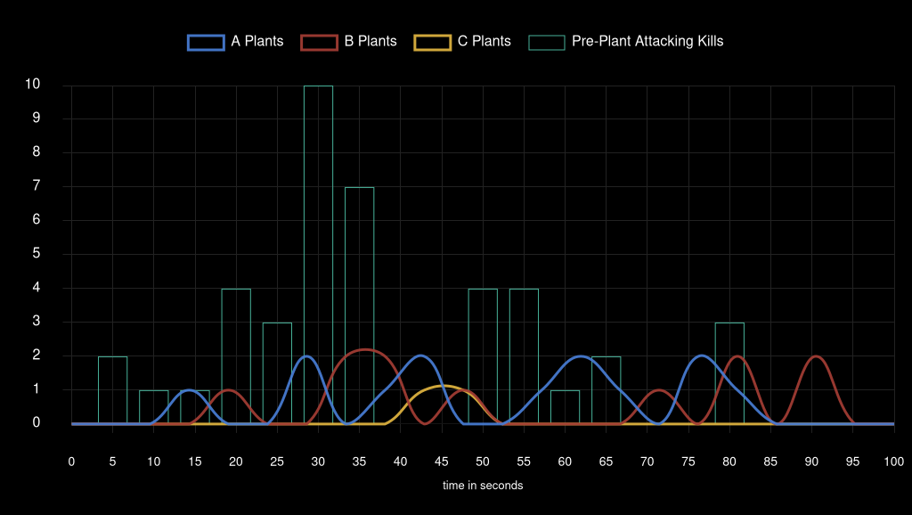
Team Attack Speed

Karmine Corp
 | GIANTX | KC |  | Team Win Conditions |  |  |  |  |  |  |  |  | XvY Performance
Ban |  | Ascent |  | Team | Map Id | Map | Condition | Attacking Wins | Attacking Losses | Defending Wins | Defending Losses |  | Team | Situation | Delta | Win % | Wins | Losses
Ban | Bind |  |  | Karmine Corp | 11 | Lotus | bomb | 1 | 0 | 0 | 0 |  | Karmine Corp | 5v1 | +4 | 100 | 2 | 0
Pick |  | Split |  | Karmine Corp | 11 | Lotus | defuse | 0 | 0 | 5 | 0 |  | Karmine Corp | 5v2 | +3 | 100 | 5 | 0
Pick | Sunset |  |  | Karmine Corp | 11 | Lotus | kills (post-plant) | 2 | 0 | 0 | 2 |  | Karmine Corp | 4v1 | +3 | 100 | 4 | 0
Ban |  | Breeze |  | Karmine Corp | 11 | Lotus | kills (pre-plant) | 1 | 1 | 4 | 1 |  | Karmine Corp | 5v3 | +2 | 100 | 6 | 0
Ban | Icebox |  |  | Karmine Corp | 2 | Split | bomb | 2 | 0 | 0 | 0 |  | Karmine Corp | 4v2 | +2 | 100 | 11 | 0
Decider | Lotus |  |  | Karmine Corp | 2 | Split | defuse | 0 | 3 | 4 | 0 |  | Karmine Corp | 3v1 | +2 | 100 | 6 | 0
 |  |  |  | Karmine Corp | 2 | Split | kills (post-plant) | 3 | 0 | 0 | 3 |  | Karmine Corp | 5v4 | +1 | 78.94 | 15 | 4
 |  |  |  | Karmine Corp | 2 | Split | kills (pre-plant) | 2 | 2 | 2 | 3 |  | Karmine Corp | 4v3 | +1 | 50 | 5 | 5
 |  |  |  | Karmine Corp | 12 | Sunset | bomb | 1 | 0 | 0 | 0 |  | Karmine Corp | 3v2 | +1 | 71.42 | 5 | 2
 |  |  |  | Karmine Corp | 12 | Sunset | defuse | 0 | 3 | 3 | 0 |  | Karmine Corp | 2v1 | +1 | 100 | 6 | 0
 |  |  |  | Karmine Corp | 12 | Sunset | kills (post-plant) | 4 | 0 | 0 | 4 |  | Karmine Corp | 4v4 | 0 | 55.55 | 5 | 4
 |  |  |  | Karmine Corp | 12 | Sunset | kills (pre-plant) | 0 | 3 | 2 | 3 |  | Karmine Corp | 3v3 | 0 | 20 | 1 | 4
 |  |  |  |  |  |  |  |  |  |  |  |  | Karmine Corp | 2v2 | 0 | 50 | 2 | 2
 |  |  |  |  |  |  |  |  |  |  |  |  | Karmine Corp | 1v1 | 0 | 60 | 3 | 2
 |  |  |  |  |  |  |  |  |  |  |  |  | Karmine Corp | 4v5 | -1 | 31.25 | 5 | 11
 |  |  |  |  |  |  |  |  |  |  |  |  | Karmine Corp | 3v4 | -1 | 20 | 1 | 4
Team Round Performance |  |  |  |  |  | Team Pistol Round Performance |  |  |  |  |  |  | Karmine Corp | 2v3 | -1 | 0 | 0 | 4
Team | Map | Wins | Losses | Win Percentage |  | Team | Map | Wins | Losses | Win Percentage |  |  | Karmine Corp | 1v2 | -1 | 33.33 | 1 | 2
Karmine Corp | Lotus | 13 | 4 | 76% |  | Karmine Corp | Lotus | 2 | 0 | 100% |  |  | Karmine Corp | 3v5 | -2 | 0 | 0 | 1
Karmine Corp | Split | 13 | 11 | 54% |  | Karmine Corp | Split | 1 | 1 | 50% |  |  | Karmine Corp | 2v4 | -2 | 0 | 0 | 3
Karmine Corp | Sunset | 10 | 13 | 43% |  | Karmine Corp | Sunset | 1 | 1 | 50% |  |  | Karmine Corp | 1v3 | -2 | 12.5 | 1 | 7
 |  |  |  |  |  |  |  |  |  |  |  |  | Karmine Corp | 2v5 | -3 | 0 | 0 | 3
Team ATK Side Round Performance |  |  |  |  |  | Team ATK Side Pistol Round Performance |  |  |  |  |  |  | Karmine Corp | 1v4 | -3 | 0 | 0 | 4
Team | Map | Wins | Losses | Win Percentage |  | Team | Map | Wins | Losses | Win Percentage |  |  | Karmine Corp | 1v5 | -4 | 0 | 0 | 3
Karmine Corp | Lotus | 4 | 1 | 80% |  | Karmine Corp | Lotus | 1 | 0 | 100%
Karmine Corp | Split | 7 | 5 | 58% |  | Karmine Corp | Split | 1 | 0 | 100%
Karmine Corp | Sunset | 5 | 6 | 45% |  | Karmine Corp | Sunset | 0 | 1 | 0%

Team DEF Side Round Performance |  |  |  |  |  | Team DEF Side Pistol Round Performance
Team | Map | Wins | Losses | Win Percentage |  | Team | Map | Wins | Losses | Win Percentage
Karmine Corp | Lotus | 9 | 3 | 75% |  | Karmine Corp | Lotus | 1 | 0 | 100%
Karmine Corp | Split | 6 | 6 | 50% |  | Karmine Corp | Split | 0 | 1 | 0%
Karmine Corp | Sunset | 5 | 7 | 42% |  | Karmine Corp | Sunset | 1 | 0 | 100%

Team Post Plant Performance |  |  |  |  |  |  | *** |  |  |  |  |  | ***
Team | Map | Site | Plants | Percentage Of Total Plants | Post Plant Attacking Wins | Post Plant Attacking Losses | Post Plant Win Percentage | Post Plant Loss Percentage | Opponent Plants | Percentage Of Total Opponent Plants | Post Plant Defending Wins | Post Plant Defending Losses | Post Plant Retake Success Percentage | Post Plant Retake Failure Percentage
Karmine Corp | Lotus | A | 2 | 67 | 2 | 0 | 100 | 0 | 3 | 43 | 1 | 2 | 33 | 67
Karmine Corp | Lotus | B | 1 | 33 | 1 | 0 | 100 | 0 | 2 | 29 | 2 | 0 | 100 | 0
Karmine Corp | Lotus | C | 0 | 0 | 0 | 0 | 0 | 0 | 2 | 29 | 2 | 0 | 100 | 0
Karmine Corp | Split | A | 4 | 44 | 3 | 1 | 75 | 25 | 6 | 67 | 4 | 2 | 67 | 33
Karmine Corp | Split | B | 5 | 56 | 3 | 2 | 60 | 40 | 3 | 33 | 0 | 3 | 0 | 100
Karmine Corp | Sunset | A | 2 | 25 | 1 | 1 | 50 | 50 | 4 | 44 | 1 | 3 | 25 | 75
Karmine Corp | Sunset | B | 6 | 75 | 4 | 2 | 67 | 33 | 5 | 56 | 2 | 3 | 40 | 60

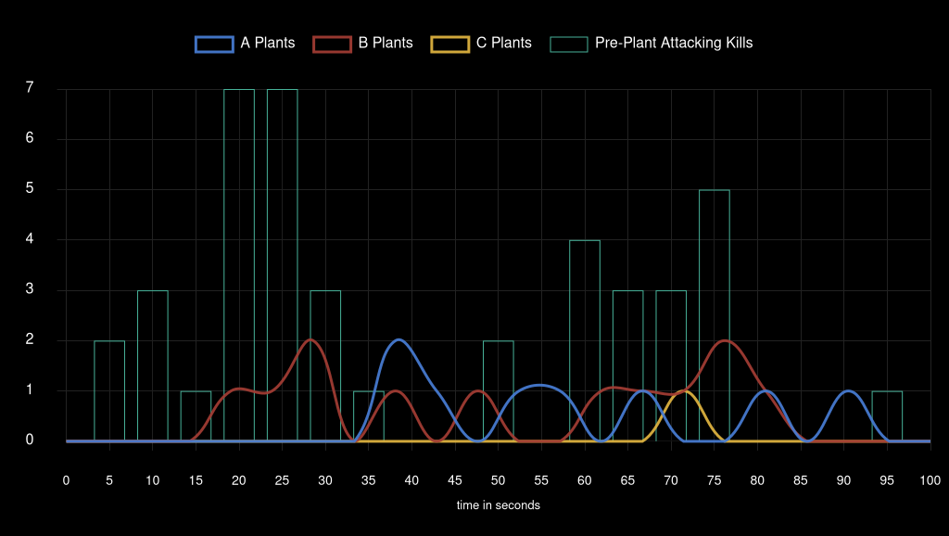
Team Attack Speed

BBL Esports
 | NAVI | BBL |  | Team Win Conditions |  |  |  |  |  |  |  |  | XvY Performance
Ban | Split |  |  | Team | Map Id | Map | Condition | Attacking Wins | Attacking Losses | Defending Wins | Defending Losses |  | Team | Situation | Delta | Win % | Wins | Losses
Ban |  | BBL |  | BBL Esports | 1 | Ascent | bomb | 1 | 0 | 0 | 1 |  | BBL Esports | 5v2 | +3 | 100 | 2 | 0
Pick | Bind |  |  | BBL Esports | 1 | Ascent | defuse | 0 | 1 | 0 | 0 |  | BBL Esports | 4v1 | +3 | 100 | 3 | 0
Pick |  | Ascent |  | BBL Esports | 1 | Ascent | kills (post-plant) | 4 | 0 | 0 | 4 |  | BBL Esports | 5v3 | +2 | 100 | 3 | 0
Ban | Icebox |  |  | BBL Esports | 1 | Ascent | kills (pre-plant) | 1 | 5 | 0 | 2 |  | BBL Esports | 4v2 | +2 | 100 | 5 | 0
Ban |  | Sunset |  | BBL Esports | 3 | Bind | bomb | 3 | 0 | 0 | 1 |  | BBL Esports | 3v1 | +2 | 100 | 4 | 0
Decider | Breeze |  |  | BBL Esports | 3 | Bind | defuse | 0 | 2 | 6 | 0 |  | BBL Esports | 5v4 | +1 | 68.75 | 11 | 5
 |  |  |  | BBL Esports | 3 | Bind | kills (post-plant) | 1 | 0 | 0 | 3 |  | BBL Esports | 4v3 | +1 | 66.66 | 8 | 4
 |  |  |  | BBL Esports | 3 | Bind | kills (pre-plant) | 1 | 1 | 2 | 0 |  | BBL Esports | 3v2 | +1 | 71.42 | 5 | 2
 |  |  |  | BBL Esports | 3 | Bind | time | 0 | 1 | 0 | 0 |  | BBL Esports | 2v1 | +1 | 100 | 5 | 0
 |  |  |  | BBL Esports | 8 | Breeze | defuse | 0 | 4 | 1 | 0 |  | BBL Esports | 4v4 | 0 | 43.75 | 7 | 9
 |  |  |  | BBL Esports | 8 | Breeze | kills (post-plant) | 2 | 0 | 0 | 4 |  | BBL Esports | 3v3 | 0 | 50 | 4 | 4
 |  |  |  | BBL Esports | 8 | Breeze | kills (pre-plant) | 1 | 4 | 2 | 0 |  | BBL Esports | 2v2 | 0 | 22.22 | 2 | 7
 |  |  |  | BBL Esports | 8 | Breeze | time | 0 | 1 | 0 | 0 |  | BBL Esports | 1v1 | 0 | 100 | 2 | 0
 |  |  |  |  |  |  |  |  |  |  |  |  | BBL Esports | 4v5 | -1 | 18.18 | 2 | 9
 |  |  |  |  |  |  |  |  |  |  |  |  | BBL Esports | 3v4 | -1 | 0 | 0 | 8
 |  |  |  |  |  |  |  |  |  |  |  |  | BBL Esports | 2v3 | -1 | 0 | 0 | 6
Team Round Performance |  |  |  |  |  | Team Pistol Round Performance |  |  |  |  |  |  | BBL Esports | 1v2 | -1 | 11.11 | 1 | 8
Team | Map | Wins | Losses | Win Percentage |  | Team | Map | Wins | Losses | Win Percentage |  |  | BBL Esports | 3v5 | -2 | 0 | 0 | 10
BBL Esports | Ascent | 6 | 13 | 32% |  | BBL Esports | Ascent | 0 | 2 | 0% |  |  | BBL Esports | 2v4 | -2 | 0 | 0 | 6
BBL Esports | Bind | 13 | 8 | 62% |  | BBL Esports | Bind | 2 | 0 | 100% |  |  | BBL Esports | 1v3 | -2 | 0 | 0 | 7
BBL Esports | Breeze | 6 | 13 | 32% |  | BBL Esports | Breeze | 0 | 2 | 0% |  |  | BBL Esports | 2v5 | -3 | 0 | 0 | 4
 |  |  |  |  |  |  |  |  |  |  |  |  | BBL Esports | 1v4 | -3 | 0 | 0 | 4
Team ATK Side Round Performance |  |  |  |  |  | Team ATK Side Pistol Round Performance |  |  |  |  |  |  | BBL Esports | 1v5 | -4 | 0 | 0 | 2
Team | Map | Wins | Losses | Win Percentage |  | Team | Map | Wins | Losses | Win Percentage
BBL Esports | Ascent | 6 | 6 | 50% |  | BBL Esports | Ascent | 0 | 1 | 0%
BBL Esports | Bind | 5 | 4 | 56% |  | BBL Esports | Bind | 1 | 0 | 100%
BBL Esports | Breeze | 3 | 9 | 25% |  | BBL Esports | Breeze | 0 | 1 | 0%

Team DEF Side Round Performance |  |  |  |  |  | Team DEF Side Pistol Round Performance
Team | Map | Wins | Losses | Win Percentage |  | Team | Map | Wins | Losses | Win Percentage
BBL Esports | Ascent | 0 | 7 | 0% |  | BBL Esports | Ascent | 0 | 1 | 0%
BBL Esports | Bind | 8 | 4 | 67% |  | BBL Esports | Bind | 1 | 0 | 100%
BBL Esports | Breeze | 3 | 4 | 43% |  | BBL Esports | Breeze | 0 | 1 | 0%

Team Post Plant Performance |  |  |  |  |  |  | *** |  |  |  |  |  | ***
Team | Map | Site | Plants | Percentage Of Total Plants | Post Plant Attacking Wins | Post Plant Attacking Losses | Post Plant Win Percentage | Post Plant Loss Percentage | Opponent Plants | Percentage Of Total Opponent Plants | Post Plant Defending Wins | Post Plant Defending Losses | Post Plant Retake Success Percentage | Post Plant Retake Failure Percentage
BBL Esports | Ascent | A | 4 | 57 | 3 | 1 | 75 | 25 | 2 | 40 | 0 | 2 | 0 | 100
BBL Esports | Ascent | B | 3 | 43 | 3 | 0 | 100 | 0 | 3 | 60 | 0 | 3 | 0 | 100
BBL Esports | Bind | A | 5 | 71 | 4 | 1 | 80 | 20 | 7 | 70 | 5 | 2 | 71 | 29
BBL Esports | Bind | B | 2 | 29 | 1 | 1 | 50 | 50 | 3 | 30 | 1 | 2 | 33 | 67
BBL Esports | Breeze | A | 6 | 86 | 3 | 3 | 50 | 50 | 3 | 60 | 0 | 3 | 0 | 100
BBL Esports | Breeze | B | 1 | 14 | 0 | 1 | 0 | 100 | 2 | 40 | 1 | 1 | 50 | 50

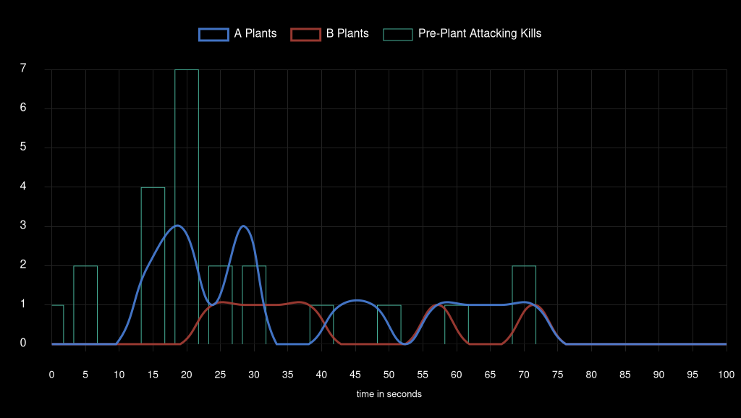
Team Attack Speed

Natus Vincere
 | NAVI | BBL |  | Team Win Conditions |  |  |  |  |  |  |  |  | XvY Performance
Ban | Split |  |  | Team | Map Id | Map | Condition | Attacking Wins | Attacking Losses | Defending Wins | Defending Losses |  | Team | Situation | Delta | Win % | Wins | Losses
Ban |  | BBL |  | Natus Vincere | 1 | Ascent | bomb | 1 | 0 | 0 | 1 |  | Natus Vincere | 5v1 | +4 | 100 | 2 | 0
Pick | Bind |  |  | Natus Vincere | 1 | Ascent | defuse | 0 | 0 | 1 | 0 |  | Natus Vincere | 5v2 | +3 | 100 | 4 | 0
Pick |  | Ascent |  | Natus Vincere | 1 | Ascent | kills (post-plant) | 4 | 0 | 0 | 4 |  | Natus Vincere | 4v1 | +3 | 100 | 4 | 0
Ban | Icebox |  |  | Natus Vincere | 1 | Ascent | kills (pre-plant) | 2 | 0 | 5 | 1 |  | Natus Vincere | 5v3 | +2 | 100 | 10 | 0
Ban |  | Sunset |  | Natus Vincere | 3 | Bind | bomb | 1 | 0 | 0 | 3 |  | Natus Vincere | 4v2 | +2 | 100 | 6 | 0
Decider | Breeze |  |  | Natus Vincere | 3 | Bind | defuse | 0 | 6 | 2 | 0 |  | Natus Vincere | 3v1 | +2 | 100 | 7 | 0
 |  |  |  | Natus Vincere | 3 | Bind | kills (post-plant) | 3 | 0 | 0 | 1 |  | Natus Vincere | 5v4 | +1 | 81.81 | 9 | 2
 |  |  |  | Natus Vincere | 3 | Bind | kills (pre-plant) | 0 | 2 | 1 | 1 |  | Natus Vincere | 4v3 | +1 | 100 | 8 | 0
 |  |  |  | Natus Vincere | 3 | Bind | time | 0 | 0 | 1 | 0 |  | Natus Vincere | 3v2 | +1 | 100 | 6 | 0
 |  |  |  | Natus Vincere | 8 | Breeze | defuse | 0 | 1 | 4 | 0 |  | Natus Vincere | 2v1 | +1 | 88.88 | 8 | 1
 |  |  |  | Natus Vincere | 8 | Breeze | kills (post-plant) | 4 | 0 | 0 | 2 |  | Natus Vincere | 4v4 | 0 | 56.25 | 9 | 7
 |  |  |  | Natus Vincere | 8 | Breeze | kills (pre-plant) | 0 | 2 | 4 | 1 |  | Natus Vincere | 3v3 | 0 | 50 | 4 | 4
 |  |  |  | Natus Vincere | 8 | Breeze | time | 0 | 0 | 1 | 0 |  | Natus Vincere | 2v2 | 0 | 77.77 | 7 | 2
 |  |  |  |  |  |  |  |  |  |  |  |  | Natus Vincere | 1v1 | 0 | 0 | 0 | 2
 |  |  |  |  |  |  |  |  |  |  |  |  | Natus Vincere | 4v5 | -1 | 31.25 | 5 | 11
 |  |  |  |  |  |  |  |  |  |  |  |  | Natus Vincere | 3v4 | -1 | 33.33 | 4 | 8
Team Round Performance |  |  |  |  |  | Team Pistol Round Performance |  |  |  |  |  |  | Natus Vincere | 2v3 | -1 | 28.57 | 2 | 5
Team | Map | Wins | Losses | Win Percentage |  | Team | Map | Wins | Losses | Win Percentage |  |  | Natus Vincere | 1v2 | -1 | 0 | 0 | 5
Natus Vincere | Ascent | 13 | 6 | 68% |  | Natus Vincere | Ascent | 2 | 0 | 100% |  |  | Natus Vincere | 3v5 | -2 | 0 | 0 | 3
Natus Vincere | Bind | 8 | 13 | 38% |  | Natus Vincere | Bind | 0 | 2 | 0% |  |  | Natus Vincere | 2v4 | -2 | 0 | 0 | 5
Natus Vincere | Breeze | 13 | 6 | 68% |  | Natus Vincere | Breeze | 2 | 0 | 100% |  |  | Natus Vincere | 1v3 | -2 | 0 | 0 | 4
 |  |  |  |  |  |  |  |  |  |  |  |  | Natus Vincere | 2v5 | -3 | 0 | 0 | 2
Team ATK Side Round Performance |  |  |  |  |  | Team ATK Side Pistol Round Performance |  |  |  |  |  |  | Natus Vincere | 1v4 | -3 | 0 | 0 | 3
Team | Map | Wins | Losses | Win Percentage |  | Team | Map | Wins | Losses | Win Percentage
Natus Vincere | Ascent | 7 | 0 | 100% |  | Natus Vincere | Ascent | 1 | 0 | 100%
Natus Vincere | Bind | 4 | 8 | 33% |  | Natus Vincere | Bind | 0 | 1 | 0%
Natus Vincere | Breeze | 4 | 3 | 57% |  | Natus Vincere | Breeze | 1 | 0 | 100%

Team DEF Side Round Performance |  |  |  |  |  | Team DEF Side Pistol Round Performance
Team | Map | Wins | Losses | Win Percentage |  | Team | Map | Wins | Losses | Win Percentage
Natus Vincere | Ascent | 6 | 6 | 50% |  | Natus Vincere | Ascent | 1 | 0 | 100%
Natus Vincere | Bind | 4 | 5 | 44% |  | Natus Vincere | Bind | 0 | 1 | 0%
Natus Vincere | Breeze | 9 | 3 | 75% |  | Natus Vincere | Breeze | 1 | 0 | 100%

Team Post Plant Performance |  |  |  |  |  |  | *** |  |  |  |  |  | ***
Team | Map | Site | Plants | Percentage Of Total Plants | Post Plant Attacking Wins | Post Plant Attacking Losses | Post Plant Win Percentage | Post Plant Loss Percentage | Opponent Plants | Percentage Of Total Opponent Plants | Post Plant Defending Wins | Post Plant Defending Losses | Post Plant Retake Success Percentage | Post Plant Retake Failure Percentage
Natus Vincere | Ascent | A | 2 | 40 | 2 | 0 | 100 | 0 | 4 | 57 | 1 | 3 | 25 | 75
Natus Vincere | Ascent | B | 3 | 60 | 3 | 0 | 100 | 0 | 3 | 43 | 0 | 3 | 0 | 100
Natus Vincere | Bind | A | 7 | 70 | 2 | 5 | 29 | 71 | 5 | 71 | 1 | 4 | 20 | 80
Natus Vincere | Bind | B | 3 | 30 | 2 | 1 | 67 | 33 | 2 | 29 | 1 | 1 | 50 | 50
Natus Vincere | Breeze | A | 3 | 60 | 3 | 0 | 100 | 0 | 6 | 86 | 3 | 3 | 50 | 50
Natus Vincere | Breeze | B | 2 | 40 | 1 | 1 | 50 | 50 | 1 | 14 | 1 | 0 | 100 | 0

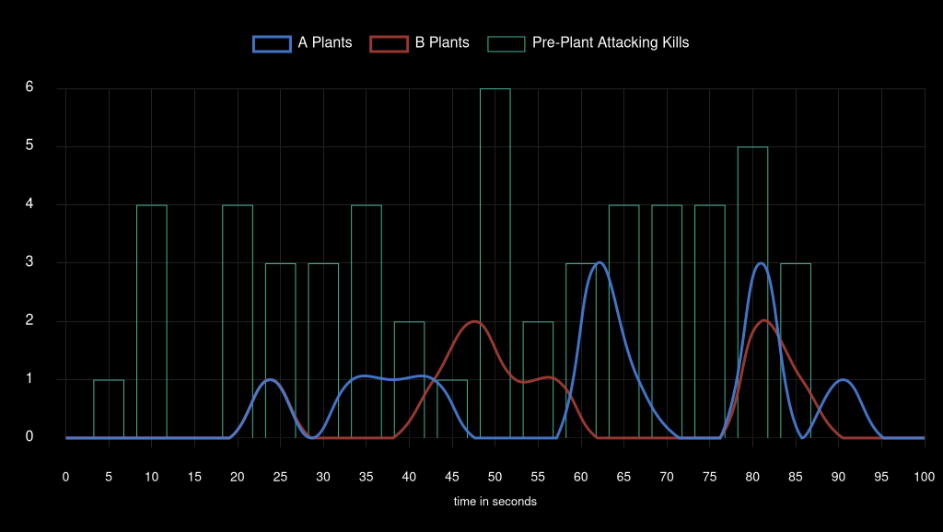
Team Attack Speed

KOI
 | TL | KOI |  | Team Win Conditions |  |  |  |  |  |  |  |  | XvY Performance
Ban | Sunset |  |  | Team | Map Id | Map | Condition | Attacking Wins | Attacking Losses | Defending Wins | Defending Losses |  | Team | Situation | Delta | Win % | Wins | Losses
Ban |  | Lotus |  | KOI | 3 | Bind | bomb | 0 | 0 | 0 | 3 |  | KOI | 5v1 | +4 | 100 | 1 | 0
Pick | Icebox |  |  | KOI | 3 | Bind | defuse | 0 | 2 | 2 | 0 |  | KOI | 5v2 | +3 | 100 | 3 | 0
Pick |  | Bind |  | KOI | 3 | Bind | kills (post-plant) | 7 | 0 | 0 | 3 |  | KOI | 4v1 | +3 | 100 | 2 | 0
Ban | Breeze |  |  | KOI | 3 | Bind | kills (pre-plant) | 0 | 2 | 2 | 2 |  | KOI | 5v3 | +2 | 80 | 4 | 1
Ban |  | Ascent |  | KOI | 3 | Bind | time | 0 | 1 | 0 | 0 |  | KOI | 4v2 | +2 | 50 | 1 | 1
Decider | Split |  |  | KOI | 4 | Icebox | bomb | 1 | 0 | 0 | 4 |  | KOI | 3v1 | +2 | 100 | 4 | 0
 |  |  |  | KOI | 4 | Icebox | defuse | 0 | 4 | 2 | 0 |  | KOI | 5v4 | +1 | 66.66 | 8 | 4
 |  |  |  | KOI | 4 | Icebox | kills (post-plant) | 5 | 0 | 0 | 4 |  | KOI | 4v3 | +1 | 60 | 3 | 2
 |  |  |  | KOI | 4 | Icebox | kills (pre-plant) | 1 | 1 | 1 | 0 |  | KOI | 3v2 | +1 | 100 | 6 | 0
 |  |  |  |  |  |  |  |  |  |  |  |  | KOI | 2v1 | +1 | 87.5 | 7 | 1
 |  |  |  |  |  |  |  |  |  |  |  |  | KOI | 4v4 | 0 | 37.5 | 3 | 5
 |  |  |  |  |  |  |  |  |  |  |  |  | KOI | 3v3 | 0 | 66.66 | 6 | 3
 |  |  |  |  |  |  |  |  |  |  |  |  | KOI | 2v2 | 0 | 66.66 | 6 | 3
 |  |  |  |  |  |  |  |  |  |  |  |  | KOI | 1v1 | 0 | 83.33 | 5 | 1
 |  |  |  |  |  |  |  |  |  |  |  |  | KOI | 4v5 | -1 | 27.27 | 3 | 8
 |  |  |  |  |  |  |  |  |  |  |  |  | KOI | 3v4 | -1 | 28.57 | 4 | 10
Team Round Performance |  |  |  |  |  | Team Pistol Round Performance |  |  |  |  |  |  | KOI | 2v3 | -1 | 16.66 | 1 | 5
Team | Map | Wins | Losses | Win Percentage |  | Team | Map | Wins | Losses | Win Percentage |  |  | KOI | 1v2 | -1 | 0 | 0 | 3
KOI | Bind | 11 | 13 | 46% |  | KOI | Bind | 2 | 0 | 100% |  |  | KOI | 3v5 | -2 | 0 | 0 | 6
KOI | Icebox | 10 | 13 | 43% |  | KOI | Icebox | 1 | 1 | 50% |  |  | KOI | 2v4 | -2 | 0 | 0 | 5
 |  |  |  |  |  |  |  |  |  |  |  |  | KOI | 1v3 | -2 | 0 | 0 | 5
Team ATK Side Round Performance |  |  |  |  |  | Team ATK Side Pistol Round Performance |  |  |  |  |  |  | KOI | 2v5 | -3 | 0 | 0 | 3
Team | Map | Wins | Losses | Win Percentage |  | Team | Map | Wins | Losses | Win Percentage |  |  | KOI | 1v4 | -3 | 0 | 0 | 6
KOI | Bind | 7 | 5 | 58% |  | KOI | Bind | 1 | 0 | 100% |  |  | KOI | 1v5 | -4 | 0 | 0 | 1
KOI | Icebox | 7 | 5 | 58% |  | KOI | Icebox | 0 | 1 | 0%

Team DEF Side Round Performance |  |  |  |  |  | Team DEF Side Pistol Round Performance
Team | Map | Wins | Losses | Win Percentage |  | Team | Map | Wins | Losses | Win Percentage
KOI | Bind | 4 | 8 | 33% |  | KOI | Bind | 1 | 0 | 100%
KOI | Icebox | 3 | 8 | 27% |  | KOI | Icebox | 1 | 0 | 100%

Team Post Plant Performance |  |  |  |  |  |  | *** |  |  |  |  |  | ***
Team | Map | Site | Plants | Percentage Of Total Plants | Post Plant Attacking Wins | Post Plant Attacking Losses | Post Plant Win Percentage | Post Plant Loss Percentage | Opponent Plants | Percentage Of Total Opponent Plants | Post Plant Defending Wins | Post Plant Defending Losses | Post Plant Retake Success Percentage | Post Plant Retake Failure Percentage
KOI | Bind | A | 5 | 56 | 4 | 1 | 80 | 20 | 3 | 38 | 0 | 3 | 0 | 100
KOI | Bind | B | 4 | 44 | 3 | 1 | 75 | 25 | 5 | 63 | 2 | 3 | 40 | 60
KOI | Icebox | A | 8 | 73 | 5 | 3 | 63 | 38 | 7 | 70 | 1 | 6 | 14 | 86
KOI | Icebox | B | 3 | 27 | 2 | 1 | 67 | 33 | 3 | 30 | 1 | 2 | 33 | 67

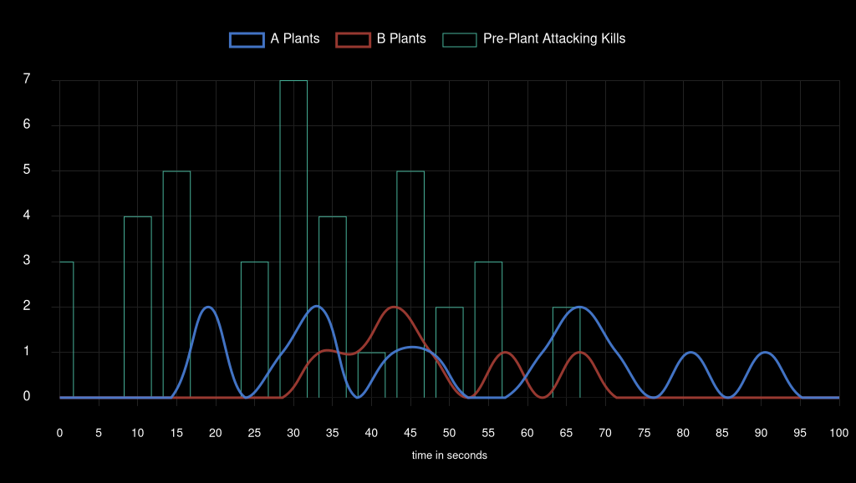
Team Attack Speed

Team Liquid
 | TL | KOI |  | Team Win Conditions |  |  |  |  |  |  |  |  | XvY Performance
Ban | Sunset |  |  | Team | Map Id | Map | Condition | Attacking Wins | Attacking Losses | Defending Wins | Defending Losses |  | Team | Situation | Delta | Win % | Wins | Losses
Ban |  | Lotus |  | Team Liquid | 3 | Bind | bomb | 3 | 0 | 0 | 0 |  | Team Liquid | 5v1 | +4 | 100 | 1 | 0
Pick | Icebox |  |  | Team Liquid | 3 | Bind | defuse | 0 | 2 | 2 | 0 |  | Team Liquid | 5v2 | +3 | 100 | 3 | 0
Pick |  | Bind |  | Team Liquid | 3 | Bind | kills (post-plant) | 3 | 0 | 0 | 7 |  | Team Liquid | 4v1 | +3 | 100 | 6 | 0
Ban | Breeze |  |  | Team Liquid | 3 | Bind | kills (pre-plant) | 2 | 2 | 2 | 0 |  | Team Liquid | 5v3 | +2 | 100 | 6 | 0
Ban |  | Ascent |  | Team Liquid | 3 | Bind | time | 0 | 0 | 1 | 0 |  | Team Liquid | 4v2 | +2 | 100 | 5 | 0
Decider | Split |  |  | Team Liquid | 4 | Icebox | bomb | 4 | 0 | 0 | 1 |  | Team Liquid | 3v1 | +2 | 100 | 5 | 0
 |  |  |  | Team Liquid | 4 | Icebox | defuse | 0 | 2 | 4 | 0 |  | Team Liquid | 5v4 | +1 | 72.72 | 8 | 3
 |  |  |  | Team Liquid | 4 | Icebox | kills (post-plant) | 4 | 0 | 0 | 5 |  | Team Liquid | 4v3 | +1 | 71.42 | 10 | 4
 |  |  |  | Team Liquid | 4 | Icebox | kills (pre-plant) | 0 | 1 | 1 | 1 |  | Team Liquid | 3v2 | +1 | 83.33 | 5 | 1
 |  |  |  |  |  |  |  |  |  |  |  |  | Team Liquid | 2v1 | +1 | 100 | 3 | 0
 |  |  |  |  |  |  |  |  |  |  |  |  | Team Liquid | 4v4 | 0 | 62.5 | 5 | 3
 |  |  |  |  |  |  |  |  |  |  |  |  | Team Liquid | 3v3 | 0 | 33.33 | 3 | 6
 |  |  |  |  |  |  |  |  |  |  |  |  | Team Liquid | 2v2 | 0 | 33.33 | 3 | 6
 |  |  |  |  |  |  |  |  |  |  |  |  | Team Liquid | 1v1 | 0 | 16.66 | 1 | 5
 |  |  |  |  |  |  |  |  |  |  |  |  | Team Liquid | 4v5 | -1 | 33.33 | 4 | 8
 |  |  |  |  |  |  |  |  |  |  |  |  | Team Liquid | 3v4 | -1 | 40 | 2 | 3
Team Round Performance |  |  |  |  |  | Team Pistol Round Performance |  |  |  |  |  |  | Team Liquid | 2v3 | -1 | 0 | 0 | 6
Team | Map | Wins | Losses | Win Percentage |  | Team | Map | Wins | Losses | Win Percentage |  |  | Team Liquid | 1v2 | -1 | 12.5 | 1 | 7
Team Liquid | Bind | 13 | 11 | 54% |  | Team Liquid | Bind | 0 | 2 | 0% |  |  | Team Liquid | 3v5 | -2 | 20 | 1 | 4
Team Liquid | Icebox | 13 | 10 | 57% |  | Team Liquid | Icebox | 1 | 1 | 50% |  |  | Team Liquid | 2v4 | -2 | 50 | 1 | 1
 |  |  |  |  |  |  |  |  |  |  |  |  | Team Liquid | 1v3 | -2 | 0 | 0 | 4
Team ATK Side Round Performance |  |  |  |  |  | Team ATK Side Pistol Round Performance |  |  |  |  |  |  | Team Liquid | 2v5 | -3 | 0 | 0 | 3
Team | Map | Wins | Losses | Win Percentage |  | Team | Map | Wins | Losses | Win Percentage |  |  | Team Liquid | 1v4 | -3 | 0 | 0 | 2
Team Liquid | Bind | 8 | 4 | 67% |  | Team Liquid | Bind | 0 | 1 | 0% |  |  | Team Liquid | 1v5 | -4 | 0 | 0 | 1
Team Liquid | Icebox | 8 | 3 | 73% |  | Team Liquid | Icebox | 0 | 1 | 0%

Team DEF Side Round Performance |  |  |  |  |  | Team DEF Side Pistol Round Performance
Team | Map | Wins | Losses | Win Percentage |  | Team | Map | Wins | Losses | Win Percentage
Team Liquid | Bind | 5 | 7 | 42% |  | Team Liquid | Bind | 0 | 1 | 0%
Team Liquid | Icebox | 5 | 7 | 42% |  | Team Liquid | Icebox | 1 | 0 | 100%

Team Post Plant Performance |  |  |  |  |  |  | *** |  |  |  |  |  | ***
Team | Map | Site | Plants | Percentage Of Total Plants | Post Plant Attacking Wins | Post Plant Attacking Losses | Post Plant Win Percentage | Post Plant Loss Percentage | Opponent Plants | Percentage Of Total Opponent Plants | Post Plant Defending Wins | Post Plant Defending Losses | Post Plant Retake Success Percentage | Post Plant Retake Failure Percentage
Team Liquid | Bind | A | 3 | 38 | 3 | 0 | 100 | 0 | 5 | 56 | 1 | 4 | 20 | 80
Team Liquid | Bind | B | 5 | 63 | 3 | 2 | 60 | 40 | 4 | 44 | 1 | 3 | 25 | 75
Team Liquid | Icebox | A | 7 | 70 | 6 | 1 | 86 | 14 | 8 | 73 | 3 | 5 | 38 | 63
Team Liquid | Icebox | B | 3 | 30 | 2 | 1 | 67 | 33 | 3 | 27 | 1 | 2 | 33 | 67

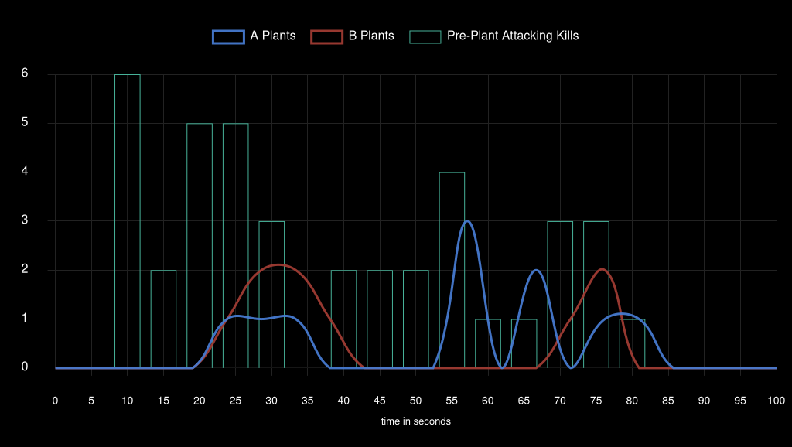
Team Attack Speed

Gentle Mates
 | VIT | M8 |  | Team Win Conditions |  |  |  |  |  |  |  |  | XvY Performance
Ban | Icebox |  |  | Team | Map Id | Map | Condition | Attacking Wins | Attacking Losses | Defending Wins | Defending Losses |  | Team | Situation | Delta | Win % | Wins | Losses
Ban |  | Bind |  | Gentle Mates | 11 | Lotus | bomb | 2 | 0 | 0 | 2 |  | Gentle Mates | 5v1 | +4 | 100 | 1 | 0
Pick | Sunset |  |  | Gentle Mates | 11 | Lotus | defuse | 0 | 5 | 2 | 0 |  | Gentle Mates | 5v2 | +3 | 100 | 2 | 0
Pick |  | Lotus |  | Gentle Mates | 11 | Lotus | kills (post-plant) | 2 | 0 | 0 | 3 |  | Gentle Mates | 4v1 | +3 | 100 | 5 | 0
Ban | Split |  |  | Gentle Mates | 11 | Lotus | kills (pre-plant) | 1 | 1 | 0 | 1 |  | Gentle Mates | 5v3 | +2 | 60 | 3 | 2
Ban |  | Breeze |  | Gentle Mates | 11 | Lotus | time | 0 | 1 | 0 | 0 |  | Gentle Mates | 4v2 | +2 | 100 | 4 | 0
Decider | Ascent |  |  | Gentle Mates | 12 | Sunset | bomb | 4 | 0 | 0 | 4 |  | Gentle Mates | 5v4 | +1 | 62.5 | 5 | 3
 |  |  |  | Gentle Mates | 12 | Sunset | defuse | 0 | 4 | 1 | 0 |  | Gentle Mates | 4v3 | +1 | 62.5 | 5 | 3
 |  |  |  | Gentle Mates | 12 | Sunset | kills (post-plant) | 0 | 0 | 0 | 3 |  | Gentle Mates | 3v2 | +1 | 50 | 2 | 2
 |  |  |  | Gentle Mates | 12 | Sunset | kills (pre-plant) | 2 | 1 | 3 | 1 |  | Gentle Mates | 2v1 | +1 | 100 | 4 | 0
 |  |  |  |  |  |  |  |  |  |  |  |  | Gentle Mates | 4v4 | 0 | 37.5 | 3 | 5
 |  |  |  |  |  |  |  |  |  |  |  |  | Gentle Mates | 3v3 | 0 | 40 | 4 | 6
 |  |  |  |  |  |  |  |  |  |  |  |  | Gentle Mates | 2v2 | 0 | 33.33 | 1 | 2
 |  |  |  |  |  |  |  |  |  |  |  |  | Gentle Mates | 1v1 | 0 | 0 | 0 | 1
 |  |  |  |  |  |  |  |  |  |  |  |  | Gentle Mates | 4v5 | -1 | 37.5 | 6 | 10
 |  |  |  |  |  |  |  |  |  |  |  |  | Gentle Mates | 3v4 | -1 | 18.18 | 2 | 9
 |  |  |  |  |  |  |  |  |  |  |  |  | Gentle Mates | 2v3 | -1 | 0 | 0 | 10
Team Round Performance |  |  |  |  |  | Team Pistol Round Performance |  |  |  |  |  |  | Gentle Mates | 1v2 | -1 | 0 | 0 | 4
Team | Map | Wins | Losses | Win Percentage |  | Team | Map | Wins | Losses | Win Percentage |  |  | Gentle Mates | 3v5 | -2 | 0 | 0 | 7
Gentle Mates | Lotus | 7 | 13 | 35% |  | Gentle Mates | Lotus | 0 | 2 | 0% |  |  | Gentle Mates | 2v4 | -2 | 0 | 0 | 5
Gentle Mates | Sunset | 10 | 13 | 43% |  | Gentle Mates | Sunset | 1 | 1 | 50% |  |  | Gentle Mates | 1v3 | -2 | 0 | 0 | 3
 |  |  |  |  |  |  |  |  |  |  |  |  | Gentle Mates | 2v5 | -3 | 0 | 0 | 4
Team ATK Side Round Performance |  |  |  |  |  | Team ATK Side Pistol Round Performance |  |  |  |  |  |  | Gentle Mates | 1v5 | -4 | 0 | 0 | 2
Team | Map | Wins | Losses | Win Percentage |  | Team | Map | Wins | Losses | Win Percentage
Gentle Mates | Lotus | 5 | 7 | 42% |  | Gentle Mates | Lotus | 0 | 1 | 0%
Gentle Mates | Sunset | 6 | 5 | 55% |  | Gentle Mates | Sunset | 1 | 0 | 100%

Team DEF Side Round Performance |  |  |  |  |  | Team DEF Side Pistol Round Performance
Team | Map | Wins | Losses | Win Percentage |  | Team | Map | Wins | Losses | Win Percentage
Gentle Mates | Lotus | 2 | 6 | 25% |  | Gentle Mates | Lotus | 0 | 1 | 0%
Gentle Mates | Sunset | 4 | 8 | 33% |  | Gentle Mates | Sunset | 0 | 1 | 0%

Team Post Plant Performance |  |  |  |  |  |  | *** |  |  |  |  |  | ***
Team | Map | Site | Plants | Percentage Of Total Plants | Post Plant Attacking Wins | Post Plant Attacking Losses | Post Plant Win Percentage | Post Plant Loss Percentage | Opponent Plants | Percentage Of Total Opponent Plants | Post Plant Defending Wins | Post Plant Defending Losses | Post Plant Retake Success Percentage | Post Plant Retake Failure Percentage
Gentle Mates | Lotus | A | 7 | 70 | 4 | 3 | 57 | 43 | 4 | 57 | 1 | 3 | 25 | 75
Gentle Mates | Lotus | B | 0 | 0 | 0 | 0 | 0 | 0 | 1 | 14 | 0 | 1 | 0 | 100
Gentle Mates | Lotus | C | 3 | 30 | 1 | 2 | 33 | 67 | 2 | 29 | 1 | 1 | 50 | 50
Gentle Mates | Sunset | A | 4 | 44 | 3 | 1 | 75 | 25 | 4 | 50 | 1 | 3 | 25 | 75
Gentle Mates | Sunset | B | 5 | 56 | 2 | 3 | 40 | 60 | 4 | 50 | 0 | 4 | 0 | 100

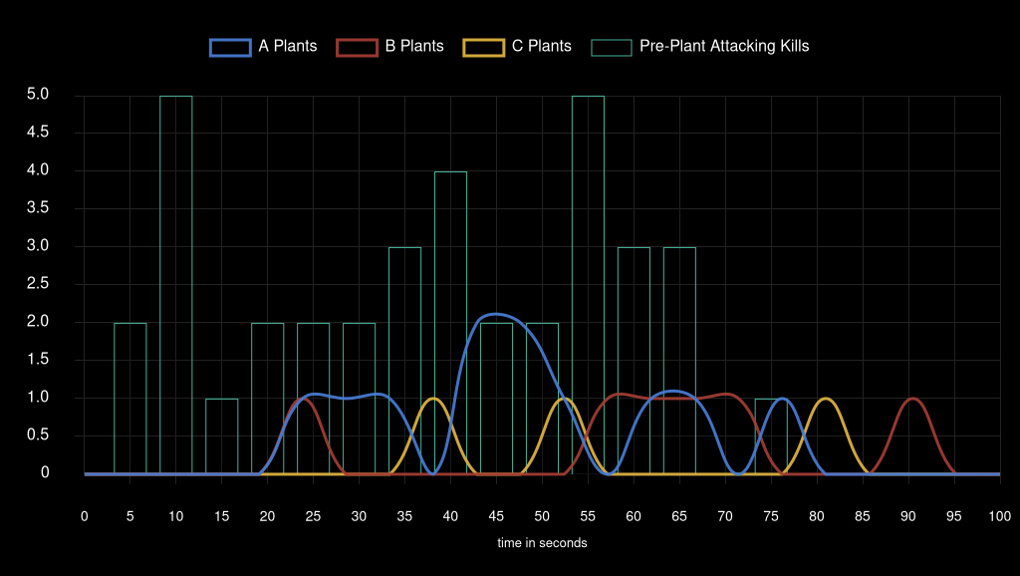
Team Attack Speed

Team Vitality
 | VIT | M8 |  | Team Win Conditions |  |  |  |  |  |  |  |  | XvY Performance
Ban | Icebox |  |  | Team | Map Id | Map | Condition | Attacking Wins | Attacking Losses | Defending Wins | Defending Losses |  | Team | Situation | Delta | Win % | Wins | Losses
Ban |  | Bind |  | Team Vitality | 11 | Lotus | bomb | 2 | 0 | 0 | 2 |  | Team Vitality | 5v1 | +4 | 100 | 2 | 0
Pick | Sunset |  |  | Team Vitality | 11 | Lotus | defuse | 0 | 2 | 5 | 0 |  | Team Vitality | 5v2 | +3 | 100 | 4 | 0
Pick |  | Lotus |  | Team Vitality | 11 | Lotus | kills (post-plant) | 3 | 0 | 0 | 2 |  | Team Vitality | 5v3 | +2 | 100 | 7 | 0
Ban | Split |  |  | Team Vitality | 11 | Lotus | kills (pre-plant) | 1 | 0 | 1 | 1 |  | Team Vitality | 4v2 | +2 | 100 | 5 | 0
Ban |  | Breeze |  | Team Vitality | 11 | Lotus | time | 0 | 0 | 1 | 0 |  | Team Vitality | 3v1 | +2 | 100 | 3 | 0
Decider | Ascent |  |  | Team Vitality | 12 | Sunset | bomb | 4 | 0 | 0 | 4 |  | Team Vitality | 5v4 | +1 | 62.5 | 10 | 6
 |  |  |  | Team Vitality | 12 | Sunset | defuse | 0 | 1 | 4 | 0 |  | Team Vitality | 4v3 | +1 | 81.81 | 9 | 2
 |  |  |  | Team Vitality | 12 | Sunset | kills (post-plant) | 3 | 0 | 0 | 0 |  | Team Vitality | 3v2 | +1 | 100 | 10 | 0
 |  |  |  | Team Vitality | 12 | Sunset | kills (pre-plant) | 1 | 3 | 1 | 2 |  | Team Vitality | 2v1 | +1 | 100 | 4 | 0
 |  |  |  |  |  |  |  |  |  |  |  |  | Team Vitality | 4v4 | 0 | 62.5 | 5 | 3
 |  |  |  |  |  |  |  |  |  |  |  |  | Team Vitality | 3v3 | 0 | 60 | 6 | 4
 |  |  |  |  |  |  |  |  |  |  |  |  | Team Vitality | 2v2 | 0 | 66.66 | 2 | 1
 |  |  |  |  |  |  |  |  |  |  |  |  | Team Vitality | 1v1 | 0 | 100 | 1 | 0
 |  |  |  |  |  |  |  |  |  |  |  |  | Team Vitality | 4v5 | -1 | 37.5 | 3 | 5
 |  |  |  |  |  |  |  |  |  |  |  |  | Team Vitality | 3v4 | -1 | 37.5 | 3 | 5
 |  |  |  |  |  |  |  |  |  |  |  |  | Team Vitality | 2v3 | -1 | 50 | 2 | 2
Team Round Performance |  |  |  |  |  | Team Pistol Round Performance |  |  |  |  |  |  | Team Vitality | 1v2 | -1 | 0 | 0 | 4
Team | Map | Wins | Losses | Win Percentage |  | Team | Map | Wins | Losses | Win Percentage |  |  | Team Vitality | 3v5 | -2 | 40 | 2 | 3
Team Vitality | Lotus | 13 | 7 | 65% |  | Team Vitality | Lotus | 2 | 0 | 100% |  |  | Team Vitality | 2v4 | -2 | 0 | 0 | 4
Team Vitality | Sunset | 13 | 10 | 57% |  | Team Vitality | Sunset | 1 | 1 | 50% |  |  | Team Vitality | 2v5 | -3 | 0 | 0 | 2
 |  |  |  |  |  |  |  |  |  |  |  |  | Team Vitality | 1v4 | -3 | 0 | 0 | 5
Team ATK Side Round Performance |  |  |  |  |  | Team ATK Side Pistol Round Performance |  |  |  |  |  |  | Team Vitality | 1v5 | -4 | 0 | 0 | 1
Team | Map | Wins | Losses | Win Percentage |  | Team | Map | Wins | Losses | Win Percentage
Team Vitality | Lotus | 6 | 2 | 75% |  | Team Vitality | Lotus | 1 | 0 | 100%
Team Vitality | Sunset | 8 | 4 | 67% |  | Team Vitality | Sunset | 1 | 0 | 100%

Team DEF Side Round Performance |  |  |  |  |  | Team DEF Side Pistol Round Performance
Team | Map | Wins | Losses | Win Percentage |  | Team | Map | Wins | Losses | Win Percentage
Team Vitality | Lotus | 7 | 5 | 58% |  | Team Vitality | Lotus | 1 | 0 | 100%
Team Vitality | Sunset | 5 | 6 | 45% |  | Team Vitality | Sunset | 0 | 1 | 0%

Team Post Plant Performance |  |  |  |  |  |  | *** |  |  |  |  |  | ***
Team | Map | Site | Plants | Percentage Of Total Plants | Post Plant Attacking Wins | Post Plant Attacking Losses | Post Plant Win Percentage | Post Plant Loss Percentage | Opponent Plants | Percentage Of Total Opponent Plants | Post Plant Defending Wins | Post Plant Defending Losses | Post Plant Retake Success Percentage | Post Plant Retake Failure Percentage
Team Vitality | Lotus | A | 4 | 57 | 3 | 1 | 75 | 25 | 7 | 70 | 3 | 4 | 43 | 57
Team Vitality | Lotus | B | 1 | 14 | 1 | 0 | 100 | 0 | 0 | 0 | 0 | 0 | 0 | 0
Team Vitality | Lotus | C | 2 | 29 | 1 | 1 | 50 | 50 | 3 | 30 | 2 | 1 | 67 | 33
Team Vitality | Sunset | A | 4 | 50 | 3 | 1 | 75 | 25 | 4 | 44 | 1 | 3 | 25 | 75
Team Vitality | Sunset | B | 4 | 50 | 4 | 0 | 100 | 0 | 5 | 56 | 3 | 2 | 60 | 40

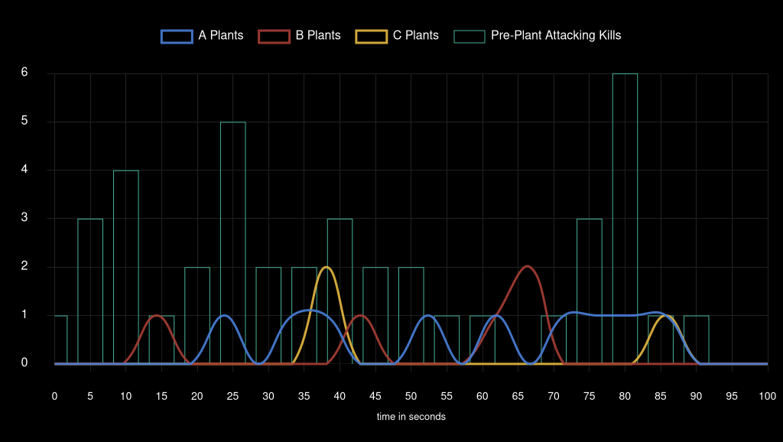
Team Attack Speed

